Properties
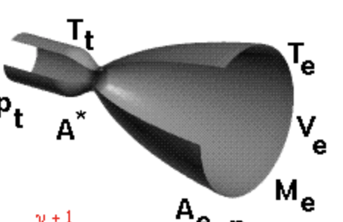
Properties
 |  | Description | Calculations

Propellant Flow Rate (wt) | Thrust / Impulse |  | 40.86240076 | kg/s

Fuel Flow Rate (wf) | (Propellant Flow Rate / Mixture Ratio) + 1 |  | 32.192672336

Oxidizer Flow Rate (wo) | Propellant Flow Rate - Fuel Flow Rate |  | 8.6697284241

Chamber Temperature (Tc) | Combustion Temperature + 460 |  | 6102.33

Throat Temperature (Tt) | 0.909 * Chamber Temperature |  | 5547.01797

Throat Pressure (Pt) | 0.564 * Chamber Pressure |  | 7143.3984

Exit Velocity (Ve) | 2 / (SHR - 1) * [((Chamber Pressure / Atm Pressure) ^ (SHR - 1 / SHR)) - 1] |  | #REF!

Chamber Characteristic Length (L*)

Characteristic Velocity (c*) | sqrt(gamma * Rspecific * Tc) / ( gamma * sqrt((2 / (gamma + 1)) ** ((gamma + 1) / (gamma - 1))) ) |  | 1535 |  | 2.5982911573

Mach number at nozzle exit (Ma_exit) | SQRT(2 / (gamma - 1) * ((Chamber Pressure / ) ** ((gamma - 1) / gamma) - 1)) |  |  | 1807.159

Thrust Coefficient (Cf) |  |  | 1.564

 |  |  |  | !!

 |  |  |  |  | 4.9522948116

